Cover(26)
taught by Mike excelisfun Girvin (Excel MVP)
MSPTDA 26: Microsoft Power Tools for Data Analysis
 MSPTDA 26 | 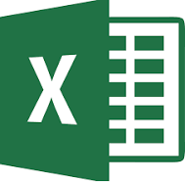
Budget vs Actual
Data Model
DAX Solution

